1a_ Table of Contents


READ ME - CONFIDENTIALITY NOTICE
The contents of this workbook, including relevant accompanying instructions, recommendations, analysis, or advice provided, are confidential and must not be distributed without prior consent of the Environment Agency Abu Dhabi ("EAD").
EAD accepts no liability to any third party arising out of or in connection with the output, unless expressly agreed otherwise.
Any modelling, analytics, or projections are subject to inherent uncertainty, and the output could be materially affected if any underlying assumptions, conditions, information, or factors are inaccurate or incomplete or should change. If the data and documents provided to EAD were unreliable, inaccurate, incomplete or inadequate, or if data that is necessary to provide a reliable analysis was unavailable, the output may be materially affected.
Note: Filling out this MRV template does not mean automatically mean you comply with any regulatory requirements or comply with external instruments (e.g., GHG Protocol), of which you should seek your own advice. This worksheet also primarily only collects Scope 1 emission data, and uses an operational control approach.

TABLE OF CONTENTS
Sheet Name | Link | Description
1b_ Guidance | [-] | Describes the purpose of the workbook and relevant reference points (e.g., regulations) for contents of this workbook
2c1_Identifiers | [-] | Worksheet to input details about your site and relevant contact details of personnel in charge of site
2c2_Facility Description | [-] | Worksheet to input summary about your facility production activities, emissions sources and source streams
3d1_Source Streams (Calculated) | [-] | Worksheet to input details about source streams pertaining to any emissions that utilise the calculated approach
3d2_Calculation Approaches | [-] | Worksheet to input details about emissions that utilise the calculation approach
3e1_Emission Sources (Measured) | [-] | Worksheet to input details about source streams pertaining to any emissions that utilise the measured approach
3e2_MeasurementBasedApproaches | [-] | Worksheet to input details about emissions that utilise the measurement based approach
3f_Fallback_Approach | [-] | Worksheet to input details about use of any fallback approach, where neither the calculated or measured approaches are used
3g_Methane | [-] | Worksheet to input details about any methane emissions and further details used to monitor emissions
4h_Verification and Data Gaps | [-] | Worksheet to input details about any verification processes used and any data gaps experienced
4i_Management & QA | [-] | Worksheet to input details about your management and quality assurance processes
4j_Mitigation Measures | [-] | Worksheet to input details about any mitigation measures your facility is taking, planning, or studying to reduce its greenhouse gas emissions

* End of this worksheet*

2c1_ Identifiers
 |  |  |  | Click here to return to first page
Identifiers of site
 | C1: About your facility*
(a) | Name of the facility and where it is located (*):
 | i. | Entity/Company name
 | ii. | Group/Parent Entity (if Applicable)
 | iii. | Facility Name (as stated in the Environmental Permit)
 | iv. | Economic Licence Number
 | v. | Environmental Permit Number
 | vi. | Facility Address
 | vii. | Coordinates of the Facility’s Main Entrance

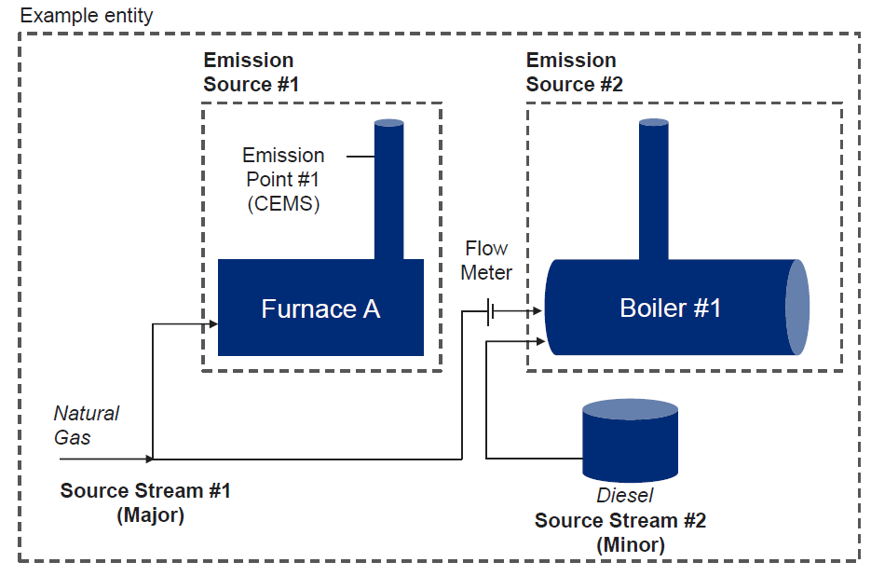
(b) | Description of the facility and its activities (including site diagrams if applicable) (*):
 | Please provide here a brief outline description of the site and the facility, and describe the location of the facility on the site. Please include a non-technical summary of the activities carried out at the facility, briefly describing each activity performed and the technical units used within each activity. In particular, the description should also identify and explain any part(s) of the facility which are not operated by the applicant, or parts which are not deemed to fall under the scope of the scheme.
 | This description should provide the linking information which is needed to understand how the information given in other parts of this template are used together for calculating the emissions.

 | C1: Contact details*

 | Who can we contact about your monitoring plan?

(a) | Primary contact (*): |  | Title:
 |  |  | First Name:
 |  |  | Surname:
 |  |  | Job Title:
 |  |  | Organisation name (if different from operator)
 |  |  | Telephone number:
 |  |  | Email address:

(b) | Alternative contact: |  | Title:
 |  |  | First Name:
 |  |  | Surname:
 |  |  | Job title:
 |  |  | Organisation name (if different from the operator):
 |  |  | Telephone number:
 |  |  | Email address:

* End of this worksheet*

